2023 Instructions
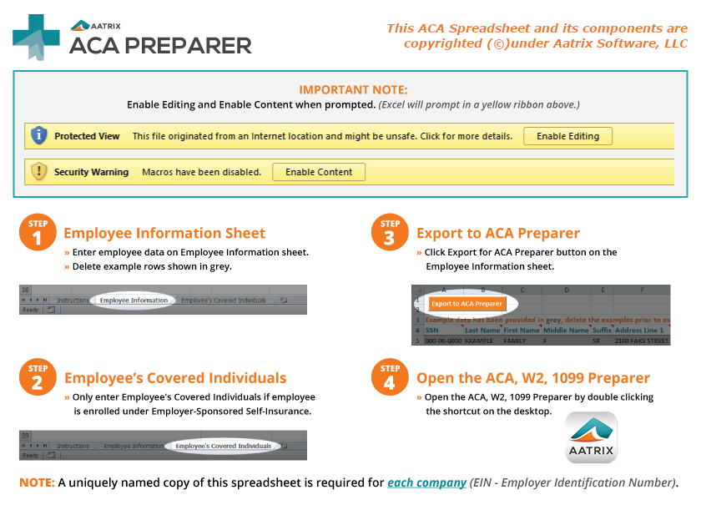

Click here to download another spreadsheet

Click here to review the IRS instructions

